Grantee Report
KDA SECURING LOCAL FOOD SYSTEMS PROGRAM: GRANTEE REPORT

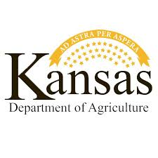
GRANTEE INFORMATION
Business Legal Name: |  | The business name listed on your W-9 form
Grant ID #: |  | To be provided to each grantee by KDA
Report Date:
Total Grant Amount ($) Awarded:
Amount ($) Spent to Date:
Amount ($) Remaining:

LIST OF EXPENDITURES
Directions
1) Please record all grant-funded expenditures incurred to date in the table below
2) A separate entry is required for each proof of purchase (e.g., receipt, purchase order, invoice, paystub)
3) Per Federal guidelines, keep all receipts, invoices, or ther proofs of purchase on file until December 30, 2025 as you may be required to submit these at a later date
4) All expenses must meet the eligibility criteria defined by the US Treasury and Kansas Department of Agriculture; see the 'Eligible expenses' tab of this document for additional detail
5) Completed reports must be submitted as an Excel file via your personalized submission portal (link to be provided by KDA)
6) See the 'Reporting schedule' tab for a list of upcoming submission dates; reporting dates for February 2021 and beyond will be defined at a later date
7) For assistance, please contact the KDA Securing Local Food Systems team at SecuringLocalFoods@ks.gov or 785-564-6700

Date of Expenditure | Expenditure Category | Description of Expenditure | Amount ($)
Date on the proof of purchase; All expenses must be incurred between March 1 and December 30, 2020 ex: 10/31/2020 | Select an option in each dropdown below; all grant funds must be used on Eligible Expenses (see the 'Eligible Expenses' tab for a list of examples) | Brief description of the expense; a separate line item is required for each proof of purchase (e.g., receipt, invoice, purchase order, paystub) ex. November 2020 Electricity bill | As listed on proof of purchase ex. $149.50

